Summary
Measure Selection (place X) | (All) | [A]
Instructions:
❶ Under measure selection [A] , check off "x" and press ok
❷ Right click in the pivot table box. Pop up will open. Select refresh. The table will auto refresh based on the data you entered on the "compare" tab.
❸ In the pass column, enter the minimum # of measures needed to meet the benchark - 9 for 50% and 6 for 80% - see example below. Subtract goal from actual to get the number of measures you need to meet the goal.
❹ Start your PDSA process to work towards meeting the benchmark threshold you select.
Count of Meet 50% Benchmark | Column Labels
Row Labels | #DIV/0! | Grand Total
Group 1
Controlling High Blood Pressure | 1 | 1
Depression Remission at Twelve Months | 1 | 1
Diabetes: Hemoglobin A1c (HbA1c) Poor Control (>9%) | 1 | 1
Group 2
Dementia: Cognitive Assessment | 1 | 1
Falls: Screening for Future Fall Risk | 1 | 1
Initiation and Engagement of Alcohol and Other Drug Dependence Treatment | 2 | 2
Use of High-Risk Medications in the Elderly | 2 | 2
Group 3
Breast Cancer Screening | 1 | 1
Cervical Cancer Screening | 1 | 1
Closing the Referral Loop: Receipt of Specialist Report | 1 | 1 |  | 
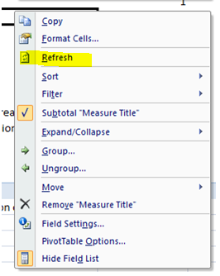
Colorectal Cancer Screening | 1 | 1
Diabetes: Eye Exam | 1 | 1
Preventative Care and Screening: Tobacco Use: Screening and Cessation Intervention | 1 | 1 | 
Use of Imaging Studies for Low Back Pain | 1 | 1
Grand Total | 16 | 16

CPC+ Goal - need 9 "passes" to meet 50% benchmark to keep a portion of the PBIP related to eCQMs
# Measures Needed to Reach 80% Benchmark Requirement

Measure Selection (place X) | (All)

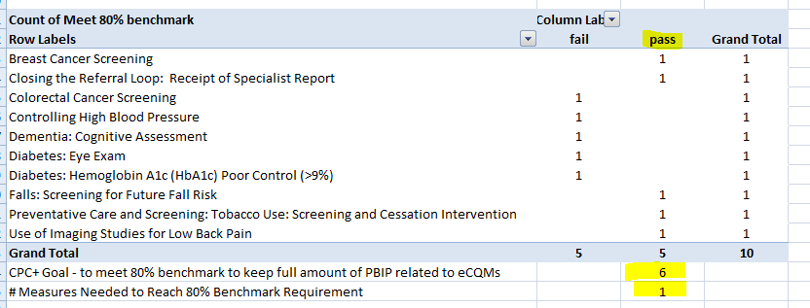
Count of Meet 80% benchmark | Column Labels
Row Labels | #DIV/0! | Grand Total | 
Group 1
Controlling High Blood Pressure | 1 | 1
Depression Remission at Twelve Months | 1 | 1
Diabetes: Hemoglobin A1c (HbA1c) Poor Control (>9%) | 1 | 1
Group 2
Dementia: Cognitive Assessment | 1 | 1
Falls: Screening for Future Fall Risk | 1 | 1
Initiation and Engagement of Alcohol and Other Drug Dependence Treatment | 2 | 2
Use of High-Risk Medications in the Elderly | 2 | 2
Group 3
Breast Cancer Screening | 1 | 1
Cervical Cancer Screening | 1 | 1
Closing the Referral Loop: Receipt of Specialist Report | 1 | 1
Colorectal Cancer Screening | 1 | 1
Diabetes: Eye Exam | 1 | 1
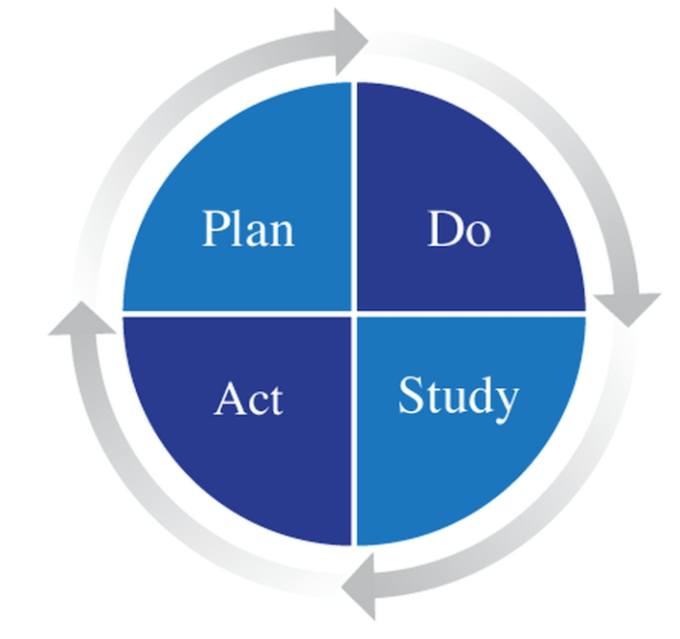
Preventative Care and Screening: Tobacco Use: Screening and Cessation Intervention | 1 | 1 | 
Use of Imaging Studies for Low Back Pain | 1 | 1
Grand Total | 16 | 16

CPC+ Goal - need 6 "passes" to meet 80% benchmark to keep full amount of PBIP related to eCQMs
# Measures Needed to Reach 80% Benchmark Requirement

Performance Based Incentive Payment Component Calculation:

